PERT-CPM-1
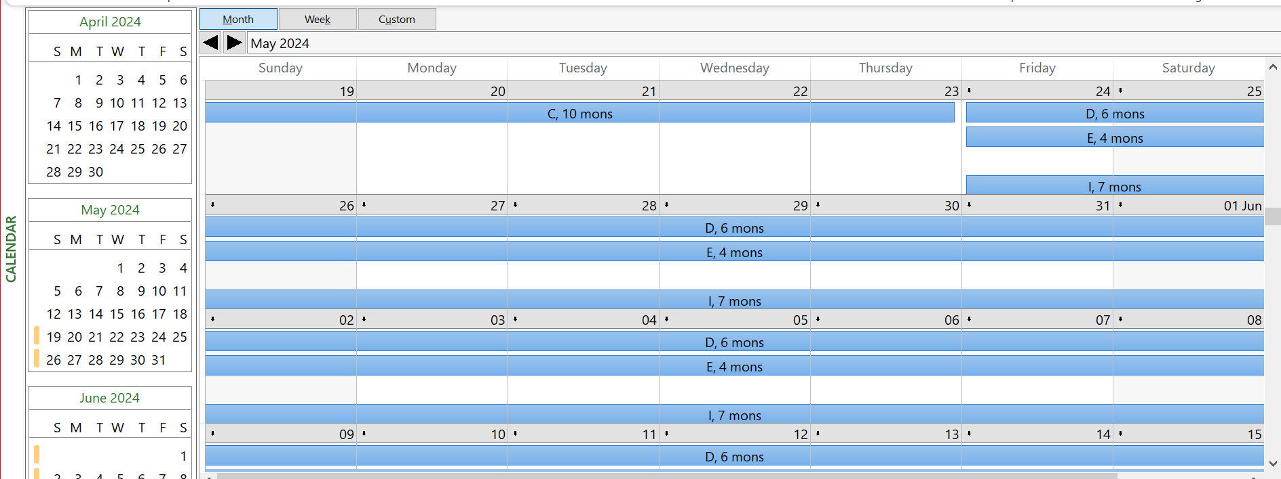
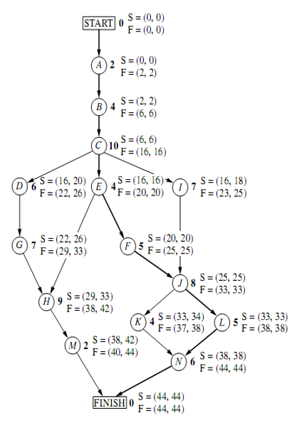
 | Time Estimates
Activity | O | M | P | PERT | VARIANCE | CP | PERT | 44
START | 0 | 0 | 0 | 0 | 0.0000 | * | VAR | 9
A | 1 | 2 | 3 | 2 | 0.1111 | * | DEADLINE | 47
B | 2 | 3.5 | 8 | 4 | 1.0000 | * | PROBABILITY | 0.84134474607
C | 6 | 9 | 18 | 10 | 4.0000 | * |  | 84.13%
D | 4 | 5.5 | 10 | 6 | 1.0000
E | 1 | 4.5 | 5 | 4 | 0.4444 | *
F | 4 | 4 | 10 | 5 | 1.0000 | *
G | 5 | 6.5 | 11 | 7 | 1.0000
H | 5 | 8 | 17 | 9 | 4.0000
I | 3 | 7.5 | 9 | 7 | 1.0000
J | 3 | 9 | 9 | 8 | 1.0000 | *
K | 4 | 4 | 4 | 4 | 0.0000
L | 1 | 5.5 | 7 | 5 | 1.0000 | *
M | 1 | 2 | 3 | 2 | 0.1111
N | 5 | 5.5 | 9 | 6 | 0.4444 | *
FINISH | 0 | 0 | 0 | 0 | 0.0000 | *

PERT-CPM-2
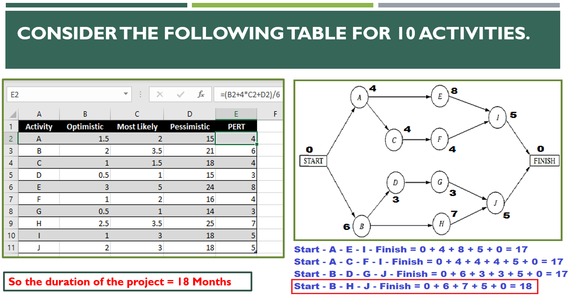
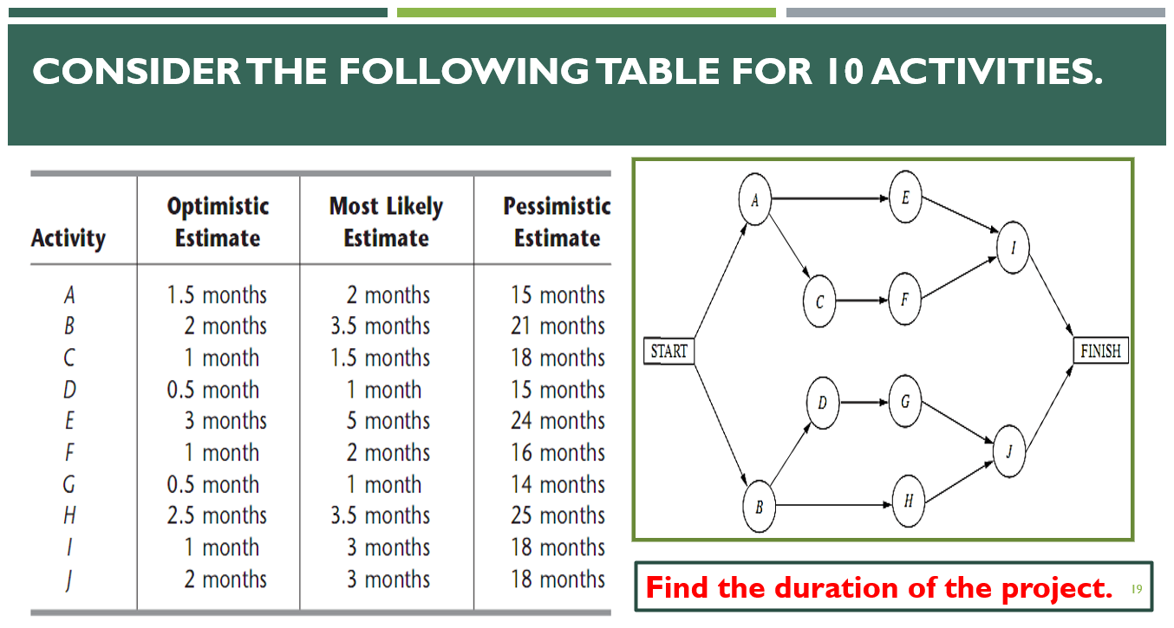
 | Estimated Durations
Activity | O | M | P | PERT | PERT-Copy | PERT_Round | PERT-Ceil | PERT-Floor | Variance
Start | 0 | 0 | 0 | 0.0000 | 0.0000 | 0 | 0 | 0 | 0.0000
A | 1.5 | 2 | 15 | 4.0833 | 4.0833 | 4 | 5 | 4 | 5.0625
B | 2 | 3.5 | 21 | 6.1667 | 6.1667 | 6 | 7 | 6 | 10.0278
C | 1 | 1.5 | 18 | 4.1667 | 4.1667 | 4 | 5 | 4 | 8.0278
D | 0.5 | 1 | 15 | 3.2500 | 3.2500 | 3 | 4 | 3 | 5.8403
E | 3 | 5 | 24 | 7.8333 | 7.8333 | 8 | 8 | 7 | 12.2500
F | 1 | 2 | 16 | 4.1667 | 4.1667 | 4 | 5 | 4 | 6.2500
G | 0.5 | 1 | 14 | 3.0833 | 3.0833 | 3 | 4 | 3 | 5.0625
H | 2.5 | 3.5 | 25 | 6.9167 | 6.9167 | 7 | 7 | 6 | 14.0625
I | 1 | 3 | 18 | 5.1667 | 5.1667 | 5 | 6 | 5 | 8.0278
J | 2 | 3 | 18 | 5.3333 | 5.3333 | 5 | 6 | 5 | 7.1111
Finish | 0 | 0 | 0 | 0.0000 | 0.0000 | 0 | 0 | 0 | 0.0000

Correlation & Regression-1
Students' Absent Count Vs. Exam Marks
 | Student | x | y | x*y | x^2 | y^2
 | A | 6 | 82 | 492 | 36 | 6724
 | B | 2 | 86 | 172 | 4 | 7396
 | C | 15 | 43 | 645 | 225 | 1849
 | D | 9 | 74 | 666 | 81 | 5476
 | E | 12 | 58 | 696 | 144 | 3364
 | F | 5 | 90 | 450 | 25 | 8100
 | G | 8 | 78 | 624 | 64 | 6084
 |  | 57 | 511 | 3745 | 579 | 38993

 | n = | 7
 | r = | -0.94421517069
 | r = | -0.94421517069
 | r = | -0.94421517069
Intercept | a = | 102.49253731 |  | x | y'
Slope | b = | -3.6218905473 |  | 11 | 62.651741294
Students' Absent Count Vs. Exam Marks
Intercept | a = | 102.49253731 |  | 7 | 77.139303483
Slope | b = | -3.6218905473 |  | 14 | 51.786069652
 | r^2 = | 0.89154228856

SQC-1
x-bar Control Chart
 | Sample Number | Observations |  |  |  | Average | Range | x-bar-bar | UCL | LCL
 |  | (Bottle Volume in Ounces)
 |  | 1 | 2 | 3 | 4 | x-bar | R
1 15.85 16.02 15.83 15.93 15.91 0.19 | 1 | 15.85 | 16.02 | 15.83 | 15.93 | 15.91 | 0.19 | 15.95 | 16.16 | 15.74
2 16.12 16.00 15.85 16.01 15.99 0.27 | 2 | 16.12 | 16.00 | 15.85 | 16.01 | 16.00 | 0.27 | 15.95 | 16.16 | 15.74
3 16.00 15.91 15.94 15.83 15.92 0.17 | 3 | 16.00 | 15.91 | 15.94 | 15.83 | 15.92 | 0.17 | 15.95 | 16.16 | 15.74
4 16.20 15.85 15.74 15.93 15.93 0.46 | 4 | 16.20 | 15.85 | 15.74 | 15.93 | 15.93 | 0.46 | 15.95 | 16.16 | 15.74
5 15.74 15.86 16.21 16.10 15.98 0.47 | 5 | 15.74 | 15.86 | 16.21 | 16.10 | 15.98 | 0.47 | 15.95 | 16.16 | 15.74
6 15.94 16.01 16.14 16.03 16.03 0.20 | 6 | 15.94 | 16.01 | 16.14 | 16.03 | 16.03 | 0.20 | 15.95 | 16.16 | 15.74
7 15.75 16.21 16.01 15.86 15.96 0.46 | 7 | 15.75 | 16.21 | 16.01 | 15.86 | 15.96 | 0.46 | 15.95 | 16.16 | 15.74
8 15.82 15.94 16.02 15.94 15.93 0.20 | 8 | 15.82 | 15.94 | 16.02 | 15.94 | 15.93 | 0.20 | 15.95 | 16.16 | 15.74
9 16.04 15.98 15.83 15.98 15.96 0.21 | 9 | 16.04 | 15.98 | 15.83 | 15.98 | 15.96 | 0.21 | 15.95 | 16.16 | 15.74
10 15.64 15.86 15.94 15.89 15.83 0.30 | 10 | 15.64 | 15.86 | 15.94 | 15.89 | 15.83 | 0.30 | 15.95 | 16.16 | 15.74
11 16.11 16.00 16.01 15.82 15.99 0.29 | 11 | 16.11 | 16.00 | 16.01 | 15.82 | 15.99 | 0.29 | 15.95 | 16.16 | 15.74
12 15.72 15.85 16.12 16.15 15.96 0.43 | 12 | 15.72 | 15.85 | 16.12 | 16.15 | 15.96 | 0.43 | 15.95 | 16.16 | 15.74
13 15.85 15.76 15.74 15.98 15.83 0.24 | 13 | 15.85 | 15.76 | 15.74 | 15.98 | 15.83 | 0.24 | 15.95 | 16.16 | 15.74
14 15.73 15.84 15.96 16.10 15.91 0.37 | 14 | 15.73 | 15.84 | 15.96 | 16.10 | 15.91 | 0.37 | 15.95 | 16.16 | 15.74
15 16.20 16.01 16.10 15.89 16.05 0.31 | 15 | 16.20 | 16.01 | 16.10 | 15.89 | 16.05 | 0.31 | 15.95 | 16.16 | 15.74
16 16.12 16.08 15.83 15.94 15.99 0.29 | 16 | 16.12 | 16.08 | 15.83 | 15.94 | 15.99 | 0.29 | 15.95 | 16.16 | 15.74
17 16.01 15.93 15.81 15.68 15.86 0.33 | 17 | 16.01 | 15.93 | 15.81 | 15.68 | 15.86 | 0.33 | 15.95 | 16.16 | 15.74
18 15.78 16.04 16.11 16.12 16.01 0.34 | 18 | 15.78 | 16.04 | 16.11 | 16.12 | 16.01 | 0.34 | 15.95 | 16.16 | 15.74
19 15.84 15.92 16.05 16.12 15.98 0.28 | 19 | 15.84 | 15.92 | 16.05 | 16.12 | 15.98 | 0.28 | 15.95 | 16.16 | 15.74
20 15.92 16.09 16.12 15.93 16.02 0.20 | 20 | 15.92 | 16.09 | 16.12 | 15.93 | 16.02 | 0.20 | 15.95 | 16.16 | 15.74
21 16.11 16.02 16.00 15.88 16.00 0.23 | 21 | 16.11 | 16.02 | 16.00 | 15.88 | 16.00 | 0.23 | 15.95 | 16.16 | 15.74
22 15.98 15.82 15.89 15.89 15.90 0.16 | 22 | 15.98 | 15.82 | 15.89 | 15.89 | 15.90 | 0.16 | 15.95 | 16.16 | 15.74
23 16.05 15.73 15.73 15.93 15.86 0.32 | 23 | 16.05 | 15.73 | 15.73 | 15.93 | 15.86 | 0.32 | 15.95 | 16.16 | 15.74
24 16.01 16.01 15.89 15.86 15.94 0.15 | 24 | 16.01 | 16.01 | 15.89 | 15.86 | 15.94 | 0.15 | 15.95 | 16.16 | 15.74
25 16.08 15.78 15.92 15.98 15.94 0.30 | 25 | 16.08 | 15.78 | 15.92 | 15.98 | 15.94 | 0.30 | 15.95 | 16.16 | 15.74
 |  |  |  |  |  | 398.67 | 7.17

 | n = | 4 | (#observations)
 | x-bar-bar = | 15.95
 | z = | 3
 | sigma = | 0.14
 | sigma-x-bar = | 0.07
 | UCL = | 16.16
 | LCL = | 15.74

